TIME TABLE
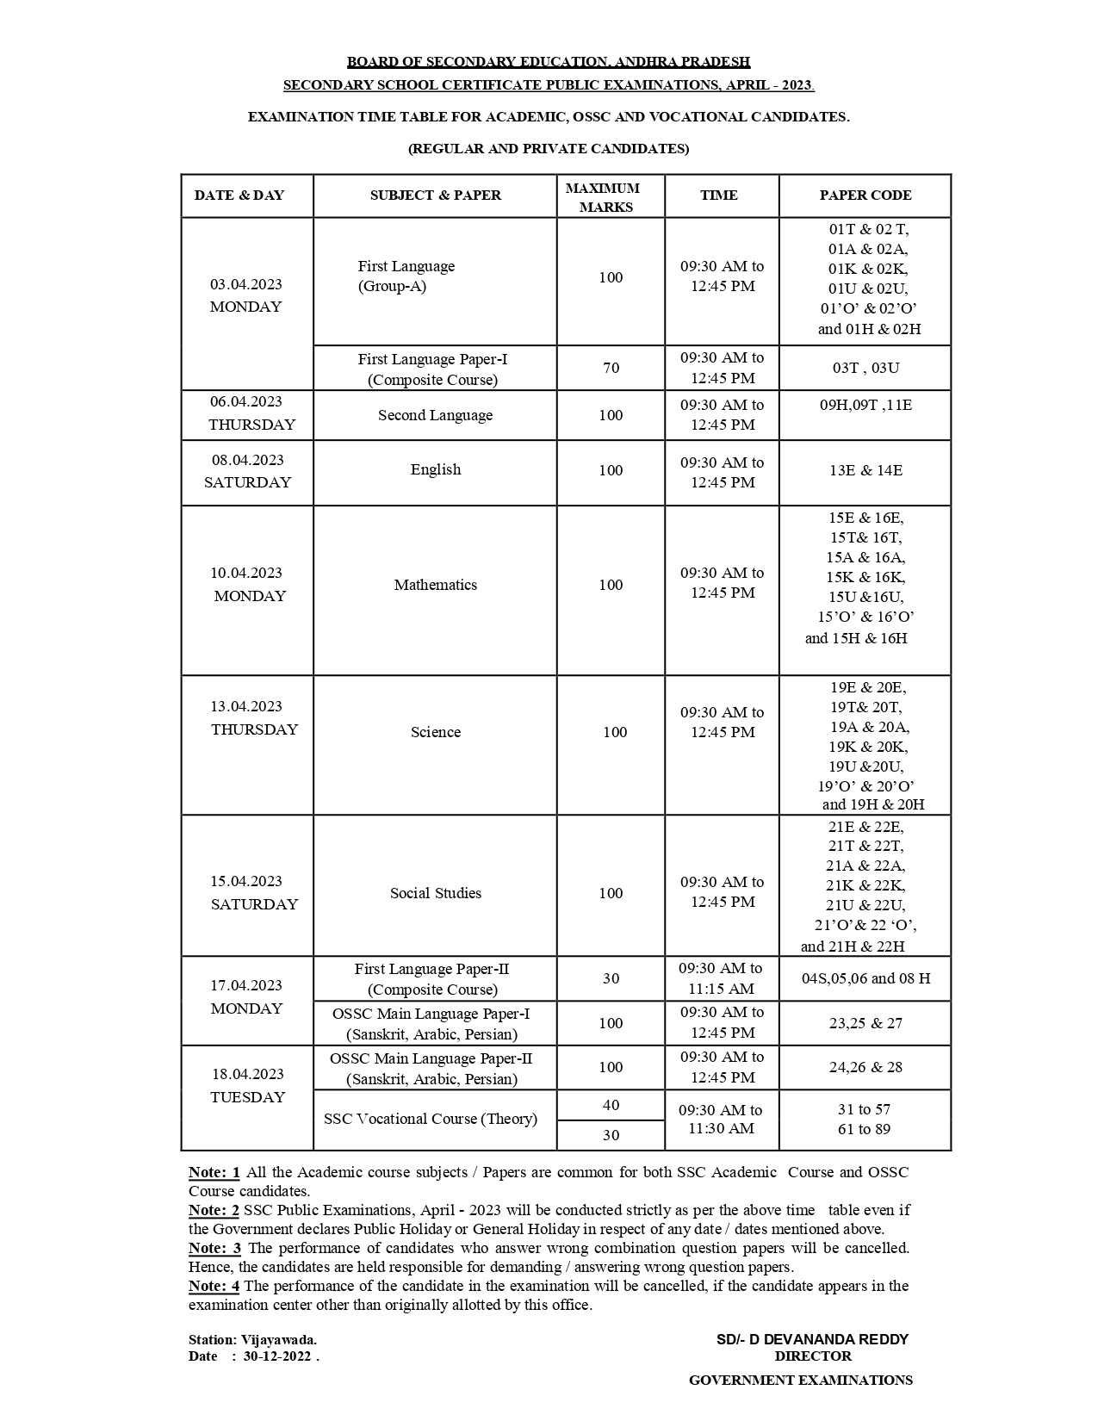

*ROOM ALLOTMENT ఫస్ట్ RIGISTER NO వేస్తె /ఎడిట్ చేస్తే చాలు అన్ని నంబర్స్ వచ్చేస్తాయి.
*ROOM ALLOTMENTదేనినైన ఎడిట్ చేసుకోవచ్చు
*ROOM ALLOTMENTలో నెంబర్ వేస్తె/ఎడిట్ చేస్తే చాలు ON BOARD షీట్లో నంబర్స్ వచ్చేస్తాయి.ఇవి కట్ చేసి రూమ్ లో బోర్డు పై అన్తిచుకోవచ్చు
*ROOM PLAN మొదటి షీట్ లో సెంటర్ పేరు ,సెంటర్ నెంబర్ ,రిజిస్టర్ నెంబర్ STARTING ది వేస్తె/ఎడిట్ చేస్తే చాలు అన్ని రూమ్స్ లో నంబర్స్ మరి పోతాయి.అక్కడ మీడియం ను Manual గా వేసుకోవాలి.
Prepared by S.TRINADHA RAO ,Gr.2 HM ,ZPHS ,BADANGI 9494166835 (Any doubt call me )

